4. Valuation
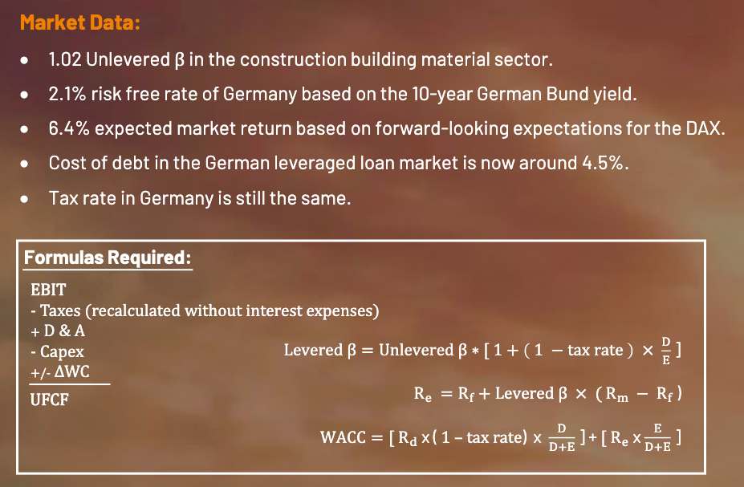
 |  |  |  |  |  |  |  | in EUR millions | Market Cap | Book Equity | Cash | Debt | Revenue |  |  | Ebitda |  |  | Net Income
4a. Discounted Cash Flow Valuation (DCF): |  |  |  |  |  |  |  | Company name |  |  |  |  | 2037 | 2038 | 2039 | 2037 | 2038 | 2039 | 2037 | 2038 | 2039
 |  |  |  |  |  |  |  | Superframes | 5750 | 2657 | 440 | 1052 | 4832 | 5258 | 5640 | 636 | 654 | 612 | 388 | 353 | 288
 |  | Actual | Projected |  |  |  |  | Good old frames | 2416 | 1300 | 339 | 982 | 3147 | 3357 | 3550 | 426 | 466 | 480 | 207 | 222 | 218
 | (in € million) | 2024 | 2030 | 2031 | 2032 | 2033 | 2034 | French Windows | 120 | 1050 | 52 | 427 | 1814 | 1489 | 1222 | 202 | 140 | 82 | 31 | 26 | -33
 |  |  |  |  |  |  |  | Philipp Doors | 870 | 590 | 48 | 323 | 1121 | 1145 | 1190 | 195 | 204 | 216 | 68 | 76 | 82
 | FCFE |  | 108 | 110 | 111 | 112 | 113
 |  |  |  |  |  |  |  |  |  |  | 0.2401746725
 | PV of FCFE |  | 101 | 97 | 92 | 86 | 82

 | Terminal Value |  |  |  |  | = | 2,735
 |  |  |  |  |  |  |  |  |  |  | We are more similar to Philipp Doors
 | PV of Terminal Value |  |  |  |  | = | 1,974
 |  |  |  |  |  |  |  |  | Net Debt | D/E (E = market Cap) |  | Revenue/Ebitda |  | Revenue/NI
 | WACC of the Industry | 6.7% |  |  |  |  |  | Superframes | 612 | 0.11 |  | 11.24% |  | 6.08%
 |  |  |  |  |  |  |  | Good old frames | 643 | 0.27 |  | 12.88% |  | 6.08%
 | Terminal Growth Rate | 2.50% |  | We assume based on CAGR |  |  |  | French Windows | 375 | 3.13 |  | 11.57% |  | 0.65% | X | This company seems to be not relevant for our case
 |  |  |  |  |  |  |  | Philipp Doors | 275 | 0.32 |  | 17.23% |  | 6.33%
 | Equity Value | 2,431
 | (+) Debt | 0 |  |  |  |  |  |  |  | Our D/E we choose Philipp Doors
 | (-) Cash Balance | 0 |  |  |  |  |  | The D/E we chose |  | 0.32 | industry D/E |  | 0.2295563736
 | Enterprise Value | 2,431 |  |  |  |  |  | Unlevered Beta |  | 1.02 |  |  | 1.02
 |  |  |  |  |  |  |  | Levered Beta |  | 1.29 |  |  | 1.219025376
 |  |  |  |  |  |  |  | Re |  | 7.66% | Rd | 4.50% | 7.34%
 |  |  |  |  |  |  |  | Our WACC |  | 6.74% |  |  | 9.40%

